Sheet1
In Class Exercise
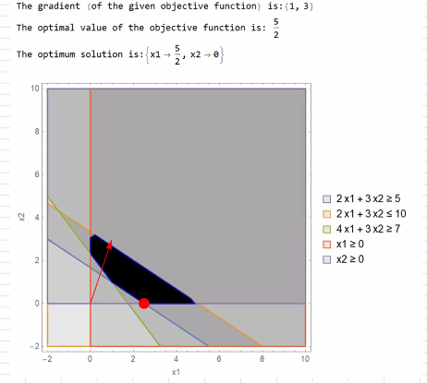
ITER 1: Setup
Basis | z | x1 | x2 | S1 | S2 | S3 | Solution | Calculation | Ratio |  |  | is Basic
s1 | 0 | 2.00 | 3.00 | -1.00 | 0 | 0 | 5.00 |  | 1.67 | s1 | 6 | TRUE
s2 | 0 | 2.00 | 3.00 | 0 | 1.00 | 0 | 10.00 |  | 3.33 | s2 | 0 | FALSE
 | 0 | 4.00 | 3.00 | 0 | 0 | -1.00 | 7.00 |  | 2.33 | s3 | -7 | TRUE
Z | 1.00 | -1.00 | -3.00 | 0 | 0 | 0 | 0

ITER 2:
Leaving: | s1
Entering: | s1

Basis | z | x1 | x2 | S1 | S2 | S3 | Solution |  | Ratio
s1 | 0 | -2.00 | -3.00 | 1.00 | 0 | 0 | -5.00 | = K6 * $F6 | 2.50
s2 | 0 | 2.00 | 3.00 | 0 | 1.00 | 0 | 10.00 |  | 5.00
s3 | 0 | -4.00 | -3.00 | 0 | 0 | 1.00 | -7.00 | = K8 * $H8 | 1.75
Z | 1.00 | -1.00 | -3.00 | 0 | 0 | 0 | 0

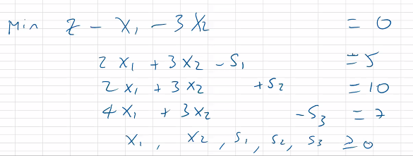
ITER 3:
Leaving: | x2
Entering:

Basis | z | x1 | x2 | S1 | S2 | S3 | Solution |  | Ratio
s1 | 0 | 0 | -1.50 | 1.00 | 0 | -0.50 | -1.50 |  | 3.00
s2 | 0 | 0 | 1.50 | 0 | 1.00 | 0.50 | 6.50 |  | 13.00
x1 | 0 | 1.00 | 0.75 | 0 | 0 | -0.25 | 1.75
Z | 1.00 | 0 | -2.25 | 0 | 0 | -0.25 | 1.75

ITER 4:
Leaving: | s1
Entering: | s2

Basis | z | x1 | x2 | S1 | S2 | S3 | Solution |  | Ratio
s3 | 0 | 0 | 3.00 | -2.00 | 0 | 1.00 | 3.00
s2 | 0 | 0 | 0 | 1.00 | 1.00 | 0 | 5.00 |  | 5.00
x1 | 0 | 1.00 | 1.50 | -0.50 | 0 | 0 | 2.50
Z | 1.00 | 0 | -1.50 | -0.50 | 0 | 0 | 2.50

ITER 5:
Leaving: | s2
Entering: | x1

Basis | z | x1 | x2 | S1 | S2 | S3 | Solution |  | Ratio
s3 | 0 | 0 | 3.00 | 0 | 2.00 | 1.00 | 13.00 |  | 4.33
s2 | 0 | 0 | 0 | 1.00 | 1.00 | 0 | 5.00
x1 | 0 | 1.00 | 1.50 | 0 | 0.50 | 0 | 5.00 |  | 3.33
Z | 1.00 | 0 | -1.50 | 0 | 0.50 | 0 | 5.00

ITER 6:
Leaving: | s2
Entering: | x1

Basis | z | x1 | x2 | S1 | S2 | S3 | Solution |  | Ratio
s3 | 0 | -2.00 | 0 | 0 | 1.00 | 1.00 | 3.00 |  | #DIV/0!
s2 | 0 | 0 | 0 | 1.00 | 1.00 | 0 | 5.00
x1 | 0 | 0.67 | 1.00 | 0 | 0.33 | 0 | 3.33 |  | 3.33
Z | 1.00 | 1.00 | 0 | 0 | 1.00 | 0 | 10.00

 |  |  | THIS IS NOT THE SOLUTION. CHECK CANVAS

